PH values
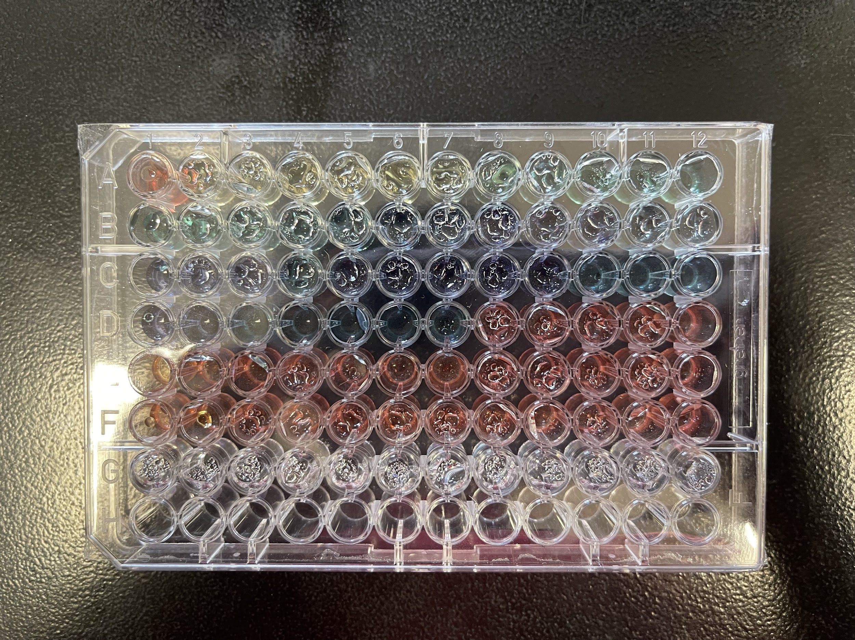
Here are the measure PH from row A to Row C, G is the blank.
ROW | Column | NaOH(uL) added | PH value
A | 1 | 5 | 4.75
 | 2 | 10 | 4.72
 | 3 | 15 | 4.87
 | 4 | 20 | 5.28
 | 5 | 25 | 5.5
 | 6 | 30 | 5.8
 | 7 | 35 | 6.14
 | 8 | 40 | 6.81
 | 9 | 45 | 7.3
 | 10 | 50 | 7.55
 | 11 | 55 | 7.8
 | 12 | 60 | 8.03

B | 1 | 65 | 8.12
 | 2 | 70 | 8.27
 | 3 | 75 | 8.33
 | 4 | 80 | 8.7
 | 5 | 85 | 8.77
 | 6 | 90 | 9.21
 | 7 | 95 | 9.11
 | 8 | 100 | 9.41
 | 9 | 105 | 10.61
 | 10 | 110 | 10.27
 | 11 | 115 | 11.66
 | 12 | 120 | 11.44

C | 1 | 125 | 11.23
 | 2 | 130 | 11.72
 | 3 | 135 | 11.92
 | 4 | 140 | 12.16
 | 5 | 145 | 12.17 | well plate
 | 6 | 150 | 11.9
 | 7 | 155 | 12.15
 | 8 | 160 | 12.2
 | 9 | 165 | 12.21
 | 10 | 170 | 12.32
 | 11 | 175 | 12.16
 | 12 | 180 | 11.94

D, E, F no PH were collected. Because the look like other well, no color change
H is empty
G is water = BLANK

Raw data from the spectrometer are in a separated txt file. we copy and paste in excel to get Universal Indicator Array

solutions
citric acid 50mM, mass 0.96g
Tris 50mM, mass 0.96g
Bicine 50mM, mass 0.96g
Buffer PH 4-10, volune = 100ml

Preparation of solutions
Weigh out 0.96g of each powder into 125ml of bottle
Add 90ml of H2O
Put magnetic stir bar in bottle
Measure PH (4), if PH is below 4, add NaOH
Drop of 0.2M NaOH was addd to solution until PH reached about 4.0
PH = 4.02

For each well, 10uL of the universal indicator was added.

